SELECT
SELECT |  |  | ID INT AUTO_INCREMENT PRIMARY KEY
SELECT | SELECT column1, column2, ... FROM table_name;
 | SELECT * FROM table_name; | Table
DISTINCT | SELECT DISTINCT column1, column2, ... FROM table_name; | Giá trị duy nhất
 | SELECT COUNT(DISTINCT Column1) FROM table_name; | Đếm số giá trị duy nhất
WHERE | SELECT column1, column2, ... FROM table_name WHERE condition; | Find / Tìm kiếm
 | SELECT * FROM Customers WHERE Columni = 1;
 | =, >, <, >=, <=, <>, Between, Like, IN
 | SELECT * FROM Customers WHERE City LIKE 's%';
 | SELECT * FROM Customers WHERE City IN ('Paris','London');

AND/OR | CONDITION1 AND (CONDITION2 OR CONDITION3)
NOT | NOT CONDITION1
ORDER BY | SELECT * FROM Customers ORDER BY Country ASC, CustomerName DESC;
INSERT INTO | INSERT INTO table_name (column1, column2, ...) VALUES (value1, value2, ...);
 | INSERT INTO table_name VALUES (value1, value2, value3, ...);
Null/ NOT NULL | SELECT column_names FROM table_name WHERE column_name IS NULL;
 | SELECT column_names FROM table_name WHERE column_name IS NOT NULL;
UPDATE .. SET..WHERE | UPDATE Customers SET ContactName = 'Alfred Schmidt', City = 'Frankfurt' WHERE CustomerID = 1; --- Có thể update theo bảng khác dựa vào table.column | Set theo điều kiện
 | UPDATE Customers SET PostalCode = 00000;
DELETE FROM..WHERE | DELETE FROM table_name WHERE condition; | TRUNCATE TABLE table_name;
 | DELETE FROM table_name;
LIMIT | SELECT column_name(s) FROM table_name WHERE condition LIMIT number; | Lấy n first rec+B1:B22ord
MIN MAX | SELECT MIN(column_name) FROM table_name WHERE condition; | SELECT MAX FROM
 | SELECT MAX(Price) AS LargestPrice FROM Products;
COUNT/AVG/SUM | SELECT COUNT(column_name) FROM table_name WHERE condition;
LIKE, ILIKE | SELECT * FROM Customers WHERE CustomerName NOT LIKE 'a%'; Like- Phân biệt Hoa thường, ILIKE - Không
IN | SELECT column_name(s) FROM table_name WHERE column_name IN (value1, value2, ...); | column1 IN (value1, value2, ...) = column1 = 'value1' or column1 = 'value2'
 | SELECT * FROM Customers WHERE Country NOT IN ('Germany', 'France', 'UK');
 | SELECT * FROM Customers WHERE Country IN (SELECT Country FROM Suppliers);
BETWEEN | SELECT column_name(s) FROM table_name WHERE column_name BETWEEN value1 AND value2;
AS_NAME | SELECT column_name AS alias_name FROM table_name;
 | SELECT column_name(s) FROM table_name AS alias_name;
CONCAT_WS | SELECT CustomerName, CONCAT_WS(', ', Address, PostalCode, City, Country) AS Address FROM Customers;
 | SELECT o.OrderID, o.OrderDate, c.CustomerName FROM Customers AS c, Orders AS o WHERE c.CustomerName='Around the Horn' AND c.CustomerID=o.CustomerID;
JOIN … ON… ORDER BY.. | SELECT column_name(s) FROM table1 INNER/LEFT/RIGHT/FULL JOIN table2 ON table1.column_name = table2.column_name;
INNER/LEFT/RIGHT/FULL | inner join / LEFT JOIN (FULL BẢNG TRÁI)/FULL JOIN |  |  | Group by
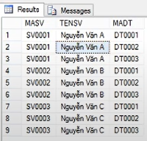
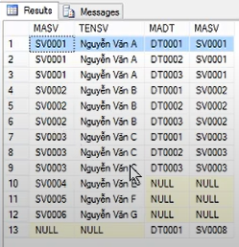

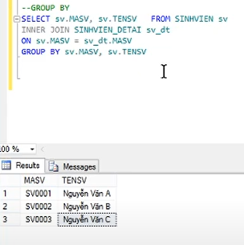

UNION | SELECT column_name(s) FROM table1 UNION SELECT column_name(s) FROM table2;
 | SELECT column_name(s) FROM table1 UNION ALL SELECT column_name(s) FROM table2;
GROUP BY | SELECT column_name(s) FROM table_name WHERE condition GROUP BY column_name(s) ORDER BY column_name(s); | Lưu ý: Nếu 2 cột trùng, thì phải group by 2 cột
COUNT/SUM/MAX/AVG GROUP BY | SELECT COUNT(CustomerID), Country FROM Customers GROUP BY Country;
HAVING | HAVING condition of math
 | SELECT COUNT(CustomerID), Country FROM Customers GROUP BY Country HAVING COUNT(CustomerID) > 5; | Tương tự như where, nhưng where k cộng với hàm toán được
EXISTS | SELECT column_name(s) FROM table_name WHERE EXISTS (SELECT column_name FROM table_name WHERE tablea.column1=tableb.comlumn2);
WHERE EXISTS (SELECT..) | SELECT SupplierName FROM Suppliers WHERE EXISTS (SELECT ProductName FROM Products WHERE Products.SupplierID = Suppliers.supplierID AND Price < 20);
ANY; ALL | SELECT ProductName FROM Products WHERE ProductID = ANY (SELECT ProductID FROM OrderDetails WHERE Quantity = 10); | =ANY() IN()
a||b | = CONCAT(a,b)
CASCADE|RESTRICT | DROP TABLE [IF EXISTS] tên bảng [CASCADE|RESTRICT]; TRUNCATE TABLE tên bảng CASCADE; -- CASCADE: XÓA BẢNG + XÓA FK CỦA CÁC BẢNG KHÁC -- RESTRICT: KHÔNG XÓA NẾU CÓ FK

